Table 14
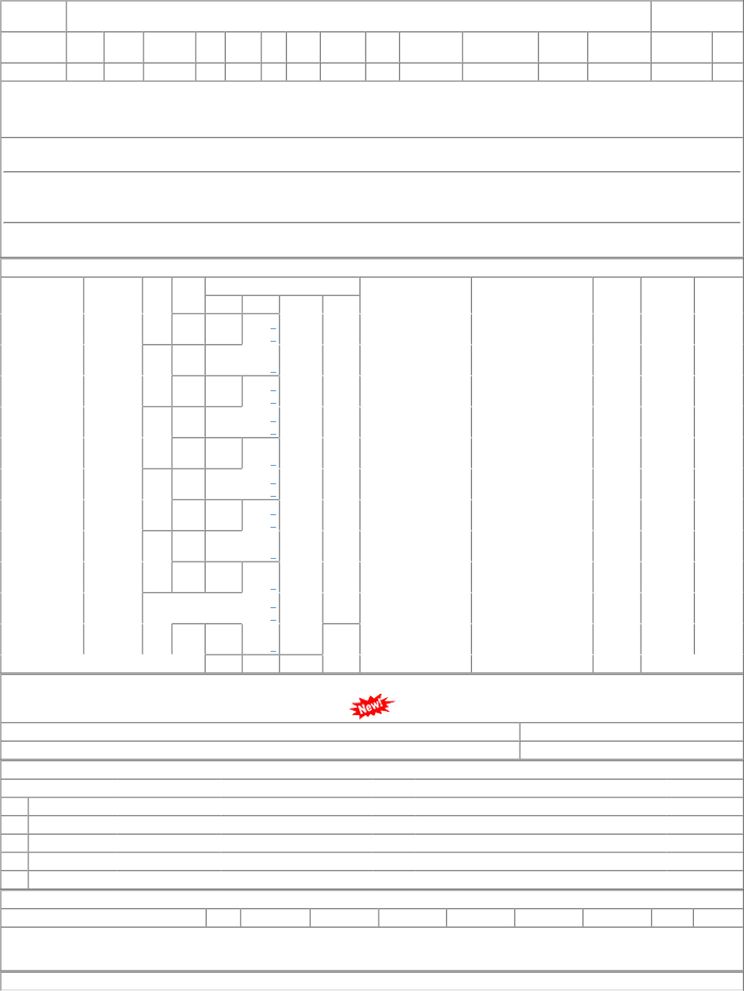
COVERED DUES DETAILS

